Telemetry Database
Telemetry | TLM name | Purpose | TLM ID | Table | Length (bytes) |  | Comments
 | Error Log Entry | Read stored error log entry | 131 | 81 | 8 |  |  | TLM name | Purpose | TLM ID | Table | Length (bytes)
 | Current Unix Time | Verify ADCS time | 133 | 82 | 8 |  |  | Error Log Entry | Read stored error log entry | 131 | 81 | 8
 | Persist Config Diagnostics | Check if ConfigPersist succeeded | 134 | 83 | 6 |  |  | Current Unix Time | Verify ADCS time | 133 | 82 | 8
 | Version | Verify firmware/system version | 136 | 87 | 22 |  | ORC | Persist Config Diagnostics | Check if ConfigPersist succeeded | 134 | 83 | 6
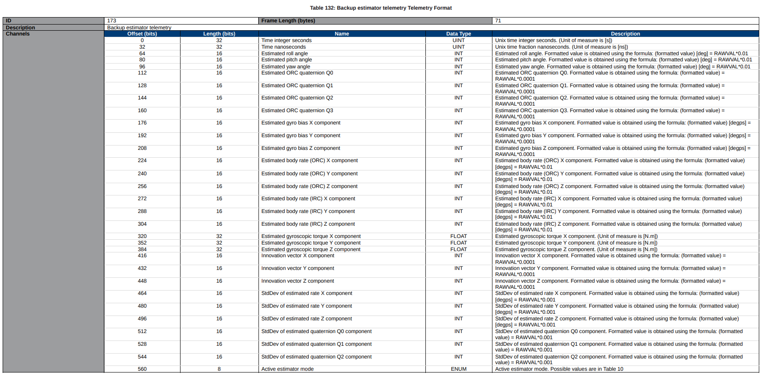
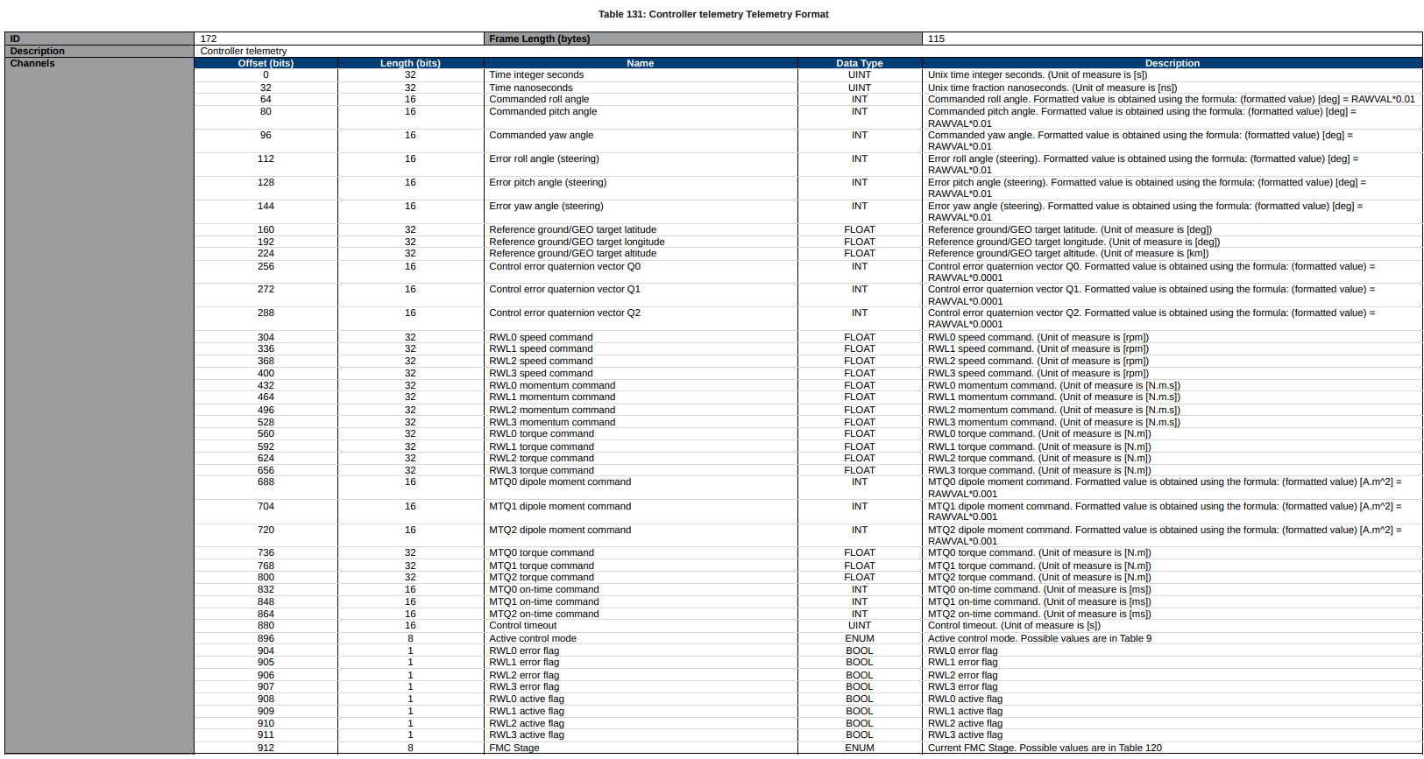
 | Common Error Codes | Common application error-code snapshot | 139 | 94 | 16 |  |  | Version | Verify firmware/system version | 136 | 87 | 22
 | Identification2 | Verify node/program/interface identity | 140 | 95 | 21 |  |  | Common Error Codes | Common application error-code snapshot | 139 | 94 | 16
 | Reference Rotation Angle | Read back reference rotation angle | 149 | 96 | 4 |  |  | Identification2 | Verify node/program/interface identity | 140 | 95 | 21
 | Control and estimation mode | Read back combined control/estimation mode | 150 | 97 | 5 |  |  | File Transfer Status | Check generic file transfer status | 161 | 112 | 13
 | File Transfer Status | Check generic file transfer status | 161 | 112 | 13 |  |  | CubeMag Health | Magnetometer health/deployment-related check | 167 | 123 | 30
 | CubeMag Health | Magnetometer health/deployment-related check | 167 | 123 | 30 |  |  | CubeSense Sun Health | FSS health check | 168 | 124 | 44
 | 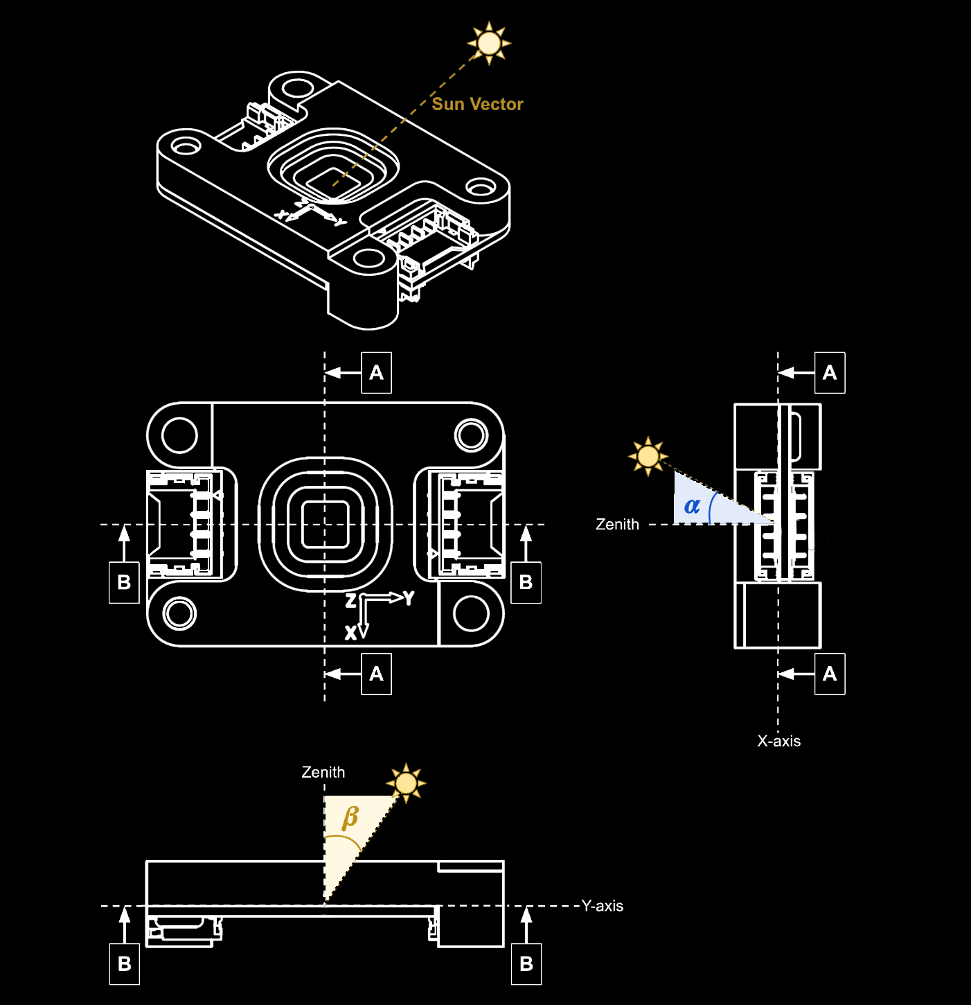 CubeSense Sun Health | FSS health check | 168 | 124 | 44 | 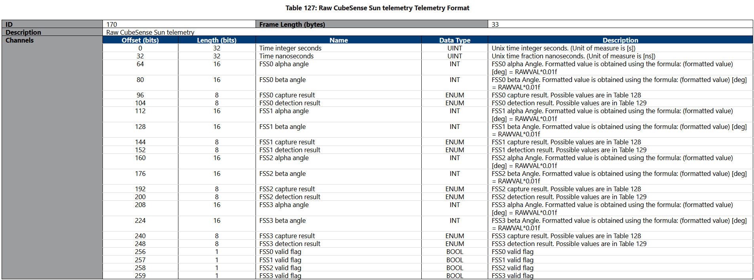 |  | Torquer Current | Check magnetorquer currents | 169 | 125 | 49
 | Torquer Current | Check magnetorquer currents | 169 | 125 | 49 |  |  | FSS CubeSense Sun Raw | FSS commissioning raw data | 170 | 127 | 33
 | FSS CubeSense Sun Raw | https://tensortech.co/updates/detail/An-introduction-to-fine-sun-sensors FSS commissioning raw data Verify validity of readings | 170 | 127 | 33 | 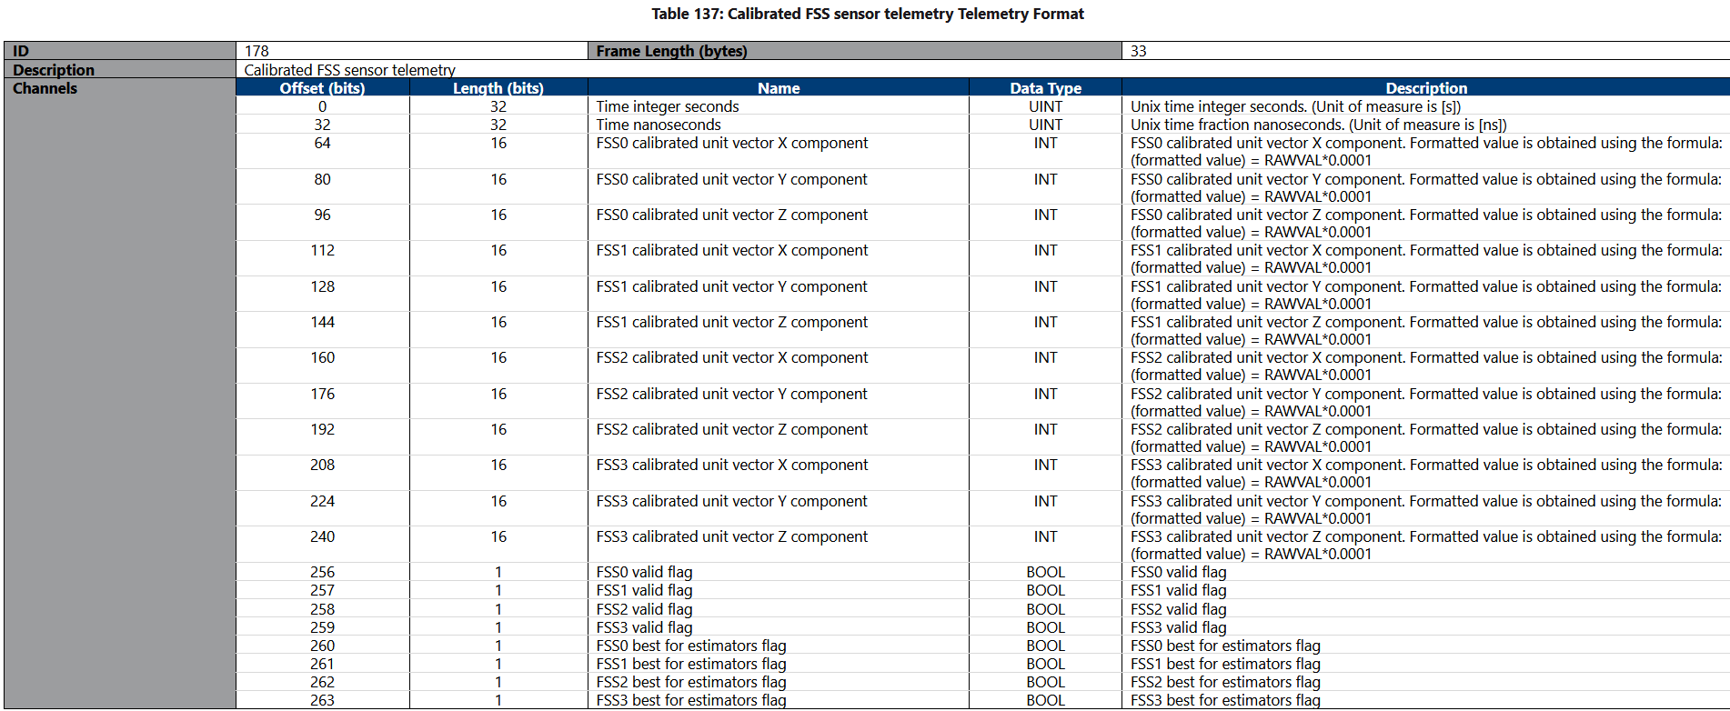 |  | Controller | Controller telemetry type shit | 172 | 131 | 115
 | Controller | Controller Telemetry Data What is the controller? Active Control Mode: DELETE UNNECESSARY • 0 = No control • 1 = Single axis Bdot for detumbling • 2 = Y-Thomson spin • 3 = 3-axis Bdot detumbling • 4 = 3-axis low power detumbling • 5 = Sun Y-axis spin detumbling • 6 = Z-Thomson spin • 7 = Sun Z-axis spin detumbling • 8 = Mag control of GG boom and yaw zero control • 9 = Mag control of GG boom and Z-RW yaw sun pointing • 10 = Initial Y-wheel ramp to Y-Wheel control • 11 = Y-wheel pitch control • 12 = 3-axis reaction wheel control • 13 = RW sun tracking control • 14 = RW EO target tracking control • 15 = RW Earth target steering control • 16 = RW G/S target tracking control • 17 = RW Inertial target tracking control • 18 = RW moon tracking control • 19 = RW satellite target tracking control • 20 = Nadir pointing and yaw towards the sun • 21 = Nadir pointing and yaw towards ground target • 22 = Velocity pointing and roll towards the sun • 23 = Velocity pointing and roll towards ground target • 24 = Nadir pointing and yaw best +/-Y body axis to G/S • 25 = Forward Motion Compensation to scan target using +Z body axis • 26 = W sun yaw-spin control • 27 = RW detumbling to sun-pointing control • 28 = RW astronomical target tracking/steering with Zenith axis • 29 = W sun tracking and rotation for payload pointing to Zenith • 30 = RW Inertial tracking and rotation for optimal Sun pointing • 31 = RW control to point sun-avoidance vector away from sun • 32 = RW control to rotate around the X body axis while thrusting • 50 = Controlled stop of RWs • 51 = Open loop XYZ RW momentum command control • 100 = User coded control mode FMC (Flight Management Computer?) Stage: • 0 = Not active (no value selected) • 1 = Waiting (Temporary ConXYZwheel) • 2 = Preparing (Offsetting roll, zeroing pitch and yaw) • 3 = Initial Pitch (Setting up pitch angle) • 4 = RW Ramp-up (10 sec towards FMC rate) • 5 = FMC Scan (Takes 60 sec) (What scan?) • 6 = RW Ramp-down (10 sec back to FMC1) • 7 = Stopp | 172 | 131 | 115 |  |  | Estimator Backup | Backup estimator comparison | 173 | 132 | 71
 | Estimator Backup | Backup Estimator Telemetry Data Quaternion shit Active Estimator mode: • 0 = No estimator • 1 = Gyro measured rates • 2 = Magnetometer estimated rates • 3 = Magnetometer estimated rates with pitch estimation • 4 = Triad attitude estimation plus gyro rates • 5 = Full state EKF • 6 = Gyro EKF for attitude and gyro bias estimation • 100 = User coded estimator | 173 | 132 | 71 |  |  | Models | Check orbit model | 174 | 133 | 85
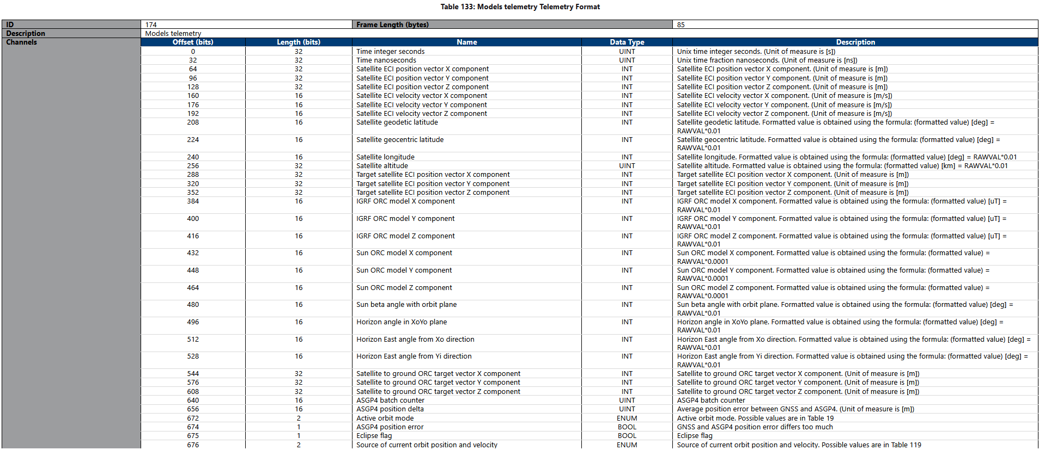
 | Models | Check orbit model ECI? Geodetic Geocentric IGRF? XoYo Plane??? ASGP4 Active Orbit Mode: 0 = SGP4 TLEs only 1 = GNSS primarily and SGP4 when available 2 = SGP4 Augmented using GNSS 3 = GNSS primarily and Augmented SGP4 when available ASGP4 Position Error: True/False Eclipse Flag: True/False Source of Current Orbit Position and Velocity: 0 = GNSS 1 = Propagated GNSS (up to 800ms old, propagated using linear velocity) 2 = SGP4 (with orbital elements set via ConfigOrbitSatParams (from TLEs)) 3 =ASPG4 (with orbital elements that were adjusted from GNSS measurements) | 174 | 133 | 85 |  |  | Sensor Cal GNSS | Calibrated GNSS | 175 | 134 | 41
 | Sensor Cal GNSS | Calibrated GNSS | 175 | 134 | 41 |  |  | Sensor Cal HSS | Calibrated HSS nadir vector | 176 | 135 | 21
 | Sensor Cal HSS | Calibrated HSS nadir vector Obeys ORC? Verify validity of readings | 176 | 135 | 21 |  |  | Sensor Cal Mag | Calibrated magnetometer check | 177 | 136 | 21
 | Sensor Cal Mag | Calibrated Magnetometer Check Verify validity of readings Verify best for estimators? | 177 | 136 | 21 |  |  | Sensor Cal FSS | Calibrated FSS sun vector | 178 | 137 | 33
 | Sensor Cal FSS | Calibrated FSS sun vector Verify validity of readings Verify best for estimators? | 178 | 137 | 33 |  |  | HSS CubeSense Earth Raw | HSS commissioning raw data | 179 | 138 | 21
 | HSS CubeSense Earth Raw | HSS commissioning raw data Add angle information Verify validity of readings | 179 | 138 | 21 |  |  | Sensor Raw Mag | Raw magnetometer sanity check | 180 | 141 | 21
 | Sensor Raw Mag | Raw Magnetometer Check Verify validity of readings | 180 | 141 | 21 |  |  | Reference RPY Values | Verify commanded roll/pitch/yaw reference | 181 | 142 | 12
 | Reference RPY Values | Verify commanded roll/pitch/yaw reference | 181 | 142 | 12 |  |  | OpenLoopCommandMtq | Verify commanded magnetorquer open-loop values | 182 | 143 | 6
 | OpenLoopCommandMtq | Verify commanded magnetorquer open-loop values | 182 | 143 | 6 |  |  | PowerState | Verify sensor/actuator power states | 183 | 144 | 20
 | PowerState | Verify sensor/actuator power states. Gives the power states of components. Possible Responses: • 0 = Off • 1 = On • 2 = NoChange • 3 = Auto • 4 = OnPass • 5 = OffUpgrade | 183 | 144 | 20 |  |  | ADCS Run Mode | Verify ADCS loop on/off state | 184 | 145 | 1
 | ADCS Run Mode | Verify ADCS loop on/off state | 184 | 145 | 1 |  |  | Control Mode | Verify active control mode | 185 | 146 | 3
 | Control Mode | Verify active control mode Give the active control mode and timeout rate (in seconds) Possible Responses: • 0 = No control • 1 = Single axis Bdot for detumbling • 2 = Y-Thomson spin • 3 = 3-axis Bdot detumbling • 4 = 3-axis low power detumbling • 5 = Sun Y-axis spin detumbling • 6 = Z-Thomson spin • 7 = Sun Z-axis spin detumbling • 8 = Mag control of GG boom and yaw zero control • 9 = Mag control of GG boom and Z-RW yaw sun pointing • 10 = Initial Y-wheel ramp to Y-Wheel control • 11 = Y-wheel pitch control • 12 = 3-axis reaction wheel control • 13 = RW sun tracking control • 14 = RW EO target tracking control • 15 = RW Earth target steering control • 16 = RW G/S target tracking control • 17 = RW Inertial target tracking control • 18 = RW moon tracking control • 19 = RW satellite target tracking control • 20 = Nadir pointing and yaw towards the sun • 21 = Nadir pointing and yaw towards ground target • 22 = Velocity pointing and roll towards the sun • 23 = Velocity pointing and roll towards ground target • 24 = Nadir pointing and yaw best +/-Y body axis to G/S • 25 = Forward Motion Compensation to scan target using +Z body axis • 26 = RW sun yaw-spin control • 27 = RW detumbling to sun-pointing control • 28 = RW astronomical target tracking/steering with Zenith axis • 29 = RW sun tracking and rotation for payload pointing to Zenith • 30 = RW Inertial tracking and rotation for optimal Sun pointing • 31 = RW control to point sun-avoidance vector away from sun • 32 = RW control to rotate around the X body axis while thrusting • 50 = Controlled stop of RWs • 51 = Open loop XYZ RW momentum command control • 100 = User coded control mode | 185 | 146 | 3 |  |  | Wheel Configuration | Read back wheel configuration | 186 | 147 | 62
 | Wheel Configuration | Read back wheel configuration | 186 | 147 | 62 |  |  | ADCS Satellite Configuration | Read back satellite inertia/pointing-vector config | 189 | 150 | 42
 | Augmented SGP4 configuration | Read back ASGP4 configuration | 188 | 149 | 13 |  |  | ADCS Controller Configuration | Read back controller gains/limits | 190 | 151 | 98
 | ADCS Satellite Configuration | Read back satellite inertia/pointing-vector config | 189 | 150 | 42 |  |  | Mag0 Orbit Calibration Config | Read back MAG0 calibration config | 191 | 152 | 24
 | ADCS Controller Configuration | Read back controller gains/limits | 190 | 151 | 98 |  |  | Default Mode Configuration | Read back default ADCS modes | 192 | 153 | 4
 | Mag0 Orbit Calibration Config | Read back MAG0 calibration config | 191 | 152 | 24 |  |  | Mounting Configuration | Read back sensor/actuator mounting axes and angles | 193 | 154 | 104
 | Default Mode Configuration | Read back default ADCS modes | 192 | 153 | 4 |  |  | Mag1 Orbit Calibration Config | Read back MAG1 calibration config | 194 | 155 | 24
 | Mounting Configuration | Read back sensor/actuator mounting axes and angles | 193 | 154 | 104 |  |  | ADCS Estimator Configuration | Read back EKF/estimator config | 195 | 156 | 40
 | Mag1 Orbit Calibration Config | Read back MAG1 calibration config | 194 | 155 | 24 |  |  | Satellite Orbit Parameters | Read back own-satellite orbit/TLE params | 196 | 157 | 64
 | ADCS Estimator Configuration | Read back EKF/estimator config | 195 | 156 | 40 |  |  | Node Selection Configuration | Read back selected ADCS sensor/actuator nodes | 197 | 158 | 8
 | Satellite Orbit Parameters | Read back own-satellite orbit/TLE params | 196 | 157 | 64 |  |  | Magnetorquer Configuration | Read back torquer strength/on-time config | 198 | 159 | 20
 | Node Selection Configuration | Read back selected ADCS sensor/actuator nodes | 197 | 158 | 8 |  |  | Estimation Mode | Verify active estimation mode | 199 | 160 | 2
 | Magnetorquer Configuration | Read back torquer strength/on-time config | 198 | 159 | 20 |  |  | OpenLoopCommandRwl | Verify direct reaction wheel command | 202 | 163 | 16
 | Estimation Mode | Verify active estimation mode Gives the main and backup estimator modes. Possible Responses: • 0 = No Estimator • 1 = Gyro Measured Rates • 2 = Magnetometer Estimated Rates • 3 = Magnetometer estimated rates with pitch estimation • 4 = Triad attitude estimation plus gyro rates • 5 = Full state EKF • 6 = Gyro EKF for attitude and gyro bias estimation • 100 = User coded estimator | 199 | 160 | 2 |  |  | Raw CSS Sensor Telemetry | Raw CSS check during detumble/sun context | 203 | 164 | 19
 | OpenLoopCommandRwl | Verify direct reaction wheel command | 202 | 163 | 16 |  |  | Sensor Raw Gyro | Raw gyro sanity check | 204 | 165 | 33
 | Raw CSS Sensor Telemetry | Raw CSS check during detumble/sun context | 203 | 164 | 19 |  |  | Sensor Raw RWL | Raw wheel speed check | 205 | 166 | 25
 | Sensor Raw Gyro | Raw Gyrometer Check Verify validity of readings | 204 | 165 | 33 |  |  | Calibrated CSS Sensor Telemetry | Calibrated CSS sun vector check | 206 | 167 | 15
 | Sensor Raw RWL | Raw wheel speed check Verify validity of readings | 205 | 166 | 25 |  |  | Sensor Cal Gyro | Calibrated gyro check | 207 | 168 | 57
 | Calibrated CSS Sensor Telemetry | Calibrated CSS sun vector check | 206 | 167 | 15 |  |  | Sensor Cal RWL | Calibrated wheel torque/momentum check | 209 | 170 | 33
 | Sensor Cal Gyro | Calibrated Gyrometer Check Verify validity of readings | 207 | 168 | 57 |  |  | Main Estimator | Full main estimator telemetry | 210 | 171 | 71
 | Sensor Cal RWL | Calibrated wheel torque/momentum check Verify validity of readings | 209 | 170 | 33 |  |  | Estimator Main High Res | Main attitude/rate monitor | 211 | 172 | 36
 | Main Estimator | Full main estimator telemetry | 210 | 171 | 71 |  |  | Sensor Raw GNSS | Raw GNSS | 212 | 173 | 52
 | Estimator Main High Res | Main attitude/rate monitor ORC = Orbital Reference Frame Q = Q0 + Q1 i + Q2 j +Q3 k Q0 = rotation around direction of momentum where Q0 = cos(θ/2) Q1 = i momentum Q2 = j momentum Q3 = k momentum Q1,Q2,Q3 = sin(θ/2) VERIFY THIS | 211 | 172 | 36 |  |  | OpenLoopCommandHxyzRW | Verify wheel momentum vector command | 215 | 185 | 12
 | Sensor Raw GNSS | Raw GNSS | 212 | 173 | 52 |  |  | CubeComputer Health | Core ADCS health check | 216 | 186 | 40
 | OpenLoopCommandHxyzRW | Verify wheel momentum vector command | 215 | 185 | 12 |  |  | HSS Health | Earth sensor health check | 217 | 187 | 20
 | CubeComputer Health | Core ADCS health check | 216 | 186 | 40 |  |  | RWL Health | Reaction wheel health check | 218 | 188 | 32
 | HSS Health | Earth sensor health check | 217 | 187 | 20 |  |  | Data Frame | Image/file/log data frame | 219 | 189 | 258
 | RWL Health | Reaction wheel health check | 218 | 188 | 32 |  |  | Image Frame Information | Check current image transfer frame info | 220 | 190 | 4
 | Data Frame | Image/file/log data frame | 219 | 189 | 258 |  |  | Mag Sensing Element Configuration | Read back primary/redundant mag sensing element | 221 | 191 | 1
 | Image Frame Information | Check current image transfer frame info | 220 | 190 | 4 |  |  | Telemetry Log Masks | Check telemetry logging setup | 227 | 194 | 10
 | Mag Sensing Element Configuration | Read back primary/redundant mag sensing element | 221 | 191 | 1 |  |  | Unsolicited Telemetry Setup | Verify automatic telemetry output setup | 228 | 195 | 17
 | Telemetry Log Masks | Check telemetry logging setup | 227 | 194 | 10 |  |  | Pass Through TCTLM | Check passthrough target/settings | 229 | 196 | 1
 | Unsolicited Telemetry Setup | Verify automatic telemetry output setup | 228 | 195 | 17 |  |  | Component Error Codes | FDIR/error snapshot | 230 | 197 | 24
 | Pass Through TCTLM | Check passthrough target/settings | 229 | 196 | 1 |  |  | Image File Info | Check stored FSS/HSS/CubeStar image info | 231 | 198 | 14
 | Component Error Codes | FDIR/error snapshot | 230 | 197 | 24 |  |  | Image Transfer Status | Check image capture/download status | 232 | 199 | 15
 | Image File Info | Check stored FSS/HSS/CubeStar image info | 231 | 198 | 14 |  |  | Unsolicited Event Setup | Verify automatic event output setup | 233 | 201 | 2
 | Image Transfer Status | Check image capture/download status | 232 | 199 | 15 |  |  | Telemetry Log Status | Check telemetry log transfer status | 234 | 202 | 19
 | Unsolicited Event Setup | Verify automatic event output setup | 233 | 201 | 2 |  |  | Event Log Status | Check event log transfer status | 235 | 204 | 41
 | Telemetry Log Status | Check telemetry log transfer status | 234 | 202 | 19 |  |  | Node Initialization States | Check node boot/init states | 237 | 207 | 10
 | Event Log Status | Check event log transfer status | 235 | 204 | 41 |  |  | Expected Nodes | Check expected node list | 238 | 209 | 72
 | Node Initialization States | Check node boot/init states | 237 | 207 | 10 |  |  | Port Map | Check discovered CubeConnect nodes | 239 | 210 | 120
 | Expected Nodes | Check expected node list | 238 | 209 | 72 |  |  | Port Diagnostics | Check CubeConnect/autodiscovery port errors | 240 | 211 | 65
 | Port Map | Check discovered CubeConnect nodes | 239 | 210 | 120
 | Port Diagnostics | Check CubeConnect/autodiscovery port errors | 240 | 211 | 65
 | File Transfer Setup | Read back file transfer setup | 241 | 212 | 141
 | ASGP4 Orbital Parameters | Augmented orbital parameters | 244 | 217 | 64

 | Identification | Legacy identification telemetry; use Identification2 instead | 128 | 77 | 8
 | Serial Number | Unique serial number of CubeSpace component | 129 | 79 | 70
 | Communication Status | Communication status | 135 | 86 | 32
 | Boot Status | Device boot-process state | 137 | 89 | 3
 | Telecommand Acknowledge | I2C TC ACK/NACK response | 138 | 92 | 4
 | Health telemetry for CubeAuriga | CubeAuriga star camera health | 153 | 98 | 82
 | Raw CubeAuriga telemetry | Raw CubeAuriga/CubeStar telemetry | 154 | 100 | 194
 | Reference parameters for FMC scan | Read back FMC scan reference parameters | 155 | 102 | 13
 | Reference IRC vector | Read back inertial target vector | 156 | 103 | 12
 | Reference LLH target command | Read back ground/target location reference | 157 | 104 | 12
 | GNSS UART Status | GNSS UART status telemetry | 158 | 105 | 8
 | CubeNode-Quad PortMap | Configured CubeNode-Quad port map | 159 | 106 | 36
 | Raw CubeStar telemetry | Raw CubeStar telemetry | 160 | 108 | 28
 | Orbit mode | Read back orbit mode | 162 | 115 | 1
 | Current execution point | Current execution/debug point | 163 | 116 | 1
 | HIL telemetry | HIL telemetry | 164 | 118 | 107
 | Health telemetry for CubeStar | CubeStar star camera health | 165 | 121 | 34
 | Health telemetry for CubeNode PST3S | CubeNode PST3S health | 166 | 122 | 18
 | Raw external sensor telemetry | Raw external sensor telemetry | 171 | 130 | 57
 | Target satellite orbit parameter configuration | Read back target satellite orbit parameters | 187 | 148 | 64
 | ADCS operational state | Read back operational state | 200 | 161 | 1
 | Simulation raw sensor telemetry | Read back simulation raw sensor telemetry | 201 | 162 | 277
 | Calibrated STR sensor telemetry | Calibrated star tracker telemetry | 208 | 169 | 81
 | Raw PST3S star tracker telemetry | Raw PST3S star tracker telemetry | 213 | 174 | 134
 | ACP execution telemetry | ADCS control program execution telemetry | 214 | 184 | 26
 | Health telemetry for CubeNode NSSRWL | CubeNode NSSRWL health | 225 | 192 | 44
 | Raw NSSRWL sensor telemetry | Raw NSSRWL sensor telemetry | 226 | 193 | 53
 | RAW LITEF uFORS sensor telemetry | Raw LITEF uFORS gyro telemetry | 236 | 206 | 38
 | File Info | Cached file information after FileTransferSetup | 242 | 213 | 105
 | Health telemetry for CubeNode LITEFUFORS | CubeNode LITEF uFORS health | 243 | 216 | 26

